Sheet1
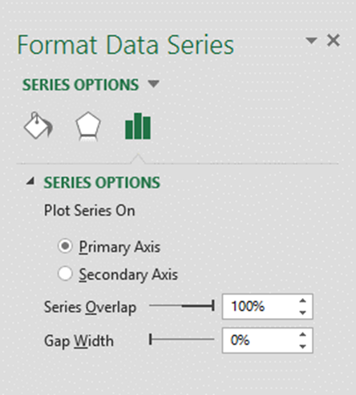
Column Chart

Chart
 | Inventory | Open | Closed | Pending
 | 200
January |  | 100 | 50
 |  |  |  | 50
 | 250
February |  | 145 | 35
 |  |  |  | 70
 | 300
March |  | 100 | 150
 |  |  |  | 50
 | 300
April |  | 100 | 150
 |  |  |  | 50
 | 325
May |  | 100 | 150
 |  |  |  | 75
NOTE: the month names are in the second row of each group to centre them on columns in the axis labels.
THE CELL ABOVE January cannot be empty - it needs either a single quote or a space,(while the chart is being made)
 | Inventory | Open | Closed | Pending
 | 200
January |  | 100 | 50
 |  |  |  | 50

 | 250
February |  | 145 | 35
 |  |  |  | 70

 | 300
March |  | 100 | 150
 |  |  |  | 50

 | 300
April |  | 100 | 150
 |  |  |  | 50

 | 325
May |  | 100 | 150
 |  |  |  | 75

Original Chart; select A3:E23
 | Inventory | Open | Closed | Pending
 | 200
January |  | 100 | 50
 |  |  |  | 50
 | 250
February |  | 145 | 35
 |  |  |  | 70
 | 300
March |  | 100 | 150
 |  |  |  | 50
 | 300
April |  | 100 | 150
 |  |  |  | 50
 | 325
May |  | 100 | 150
 |  |  |  | 75
Gap width set to zero (format any data series)
 | Inventory | Open | Closed | Pending
 | 200
January |  | 100 | 50
 |  |  |  | 50
 | 250
February |  | 145 | 35
 |  |  |  | 70
 | 300
March |  | 100 | 150
 |  |  |  | 50
 | 300
April |  | 100 | 150
 |  |  |  | 50
 | 325
May |  | 100 | 150
 |  |  |  | 75

Sheet2
 | Inventory | Open | Closed | Pending
 | 200
 |  | 100 | 50
 |  |  |  | 50
 | 250
 |  | 145 | 35
 |  |  |  | 70
 | 300
 |  | 100 | 150
 |  |  |  | 50
 | 300
 |  | 100 | 150
 |  |  |  | 50
 | 325
 |  | 100 | 150
 |  |  |  | 75
 | Inventory | Open | Closed | Pending
Jan | 200
 |  | 100 | 50
 |  |  |  | 50

Feb | 250
 |  | 145 | 35
 |  |  |  | 70

Mar | 300
 |  | 100 | 150
 |  |  |  | 50

Apr | 300
 |  | 100 | 150
 |  |  |  | 50

The month names are in merged cells.
The cells in column B have a single quote or a single space, but cannot be empty
May | 325
 |  | 100 | 150
 |  |  |  | 75 | `

