Sheet1
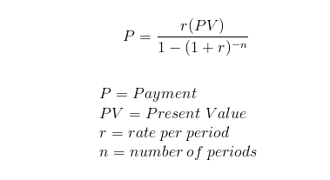
pv | 10000
rate | 10%
term | 5

pmt | $212.47 | =-PMT(rate/12,term*12,pv)

P | $212.47 | =(rate/12)*pv/(1-(1+rate/12)^-(term*12))

