Questions & Answers
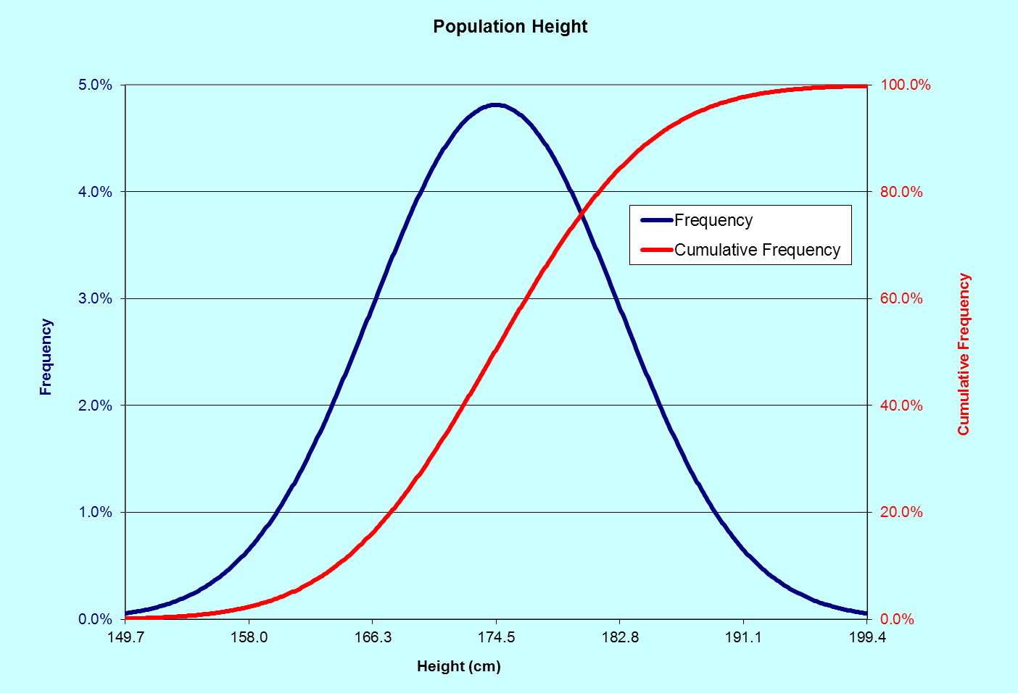
QUESTIONS | ANSWERS
1. Which student(s) is the closest to being 1 SD above the mean of the class height?
2. In what percentile of the population is the tallest person's wing span?
3. What percentage of population is the person with the smallest wingspan taller than?
4. Which student(s) has the most similar percentile for height and wing span?
5. Relative to the population, is the tallest person taller than the shortest person is short?
6. What proportion of the population is taller than student 7?
7. Which student is 0.3 standard deviations above the mean for wingspan?
8. Using the following equation, create a graph which is identical to the one shown below. See instructions in Word document for more information.

x = raw score
μ = mean
σ = standard deviation
π = 3.14159 [use pi() in Excel]
e = 2.718282 (the base of natural logarithms) [use exp() in Excel]

Trapezoid
=(B6+B5)/2*(A6-A5)
=SUM(C5:C10)
Trapezoid Rule
Divide curve into series of trapezoids, each with area =(average height)(width)
Sum the areas of the strips.
Area under curve

Trapezoid Rule, Method 1
x | y | trapezoid
1 | 0 | 3
2 | 6 | 11
3 | 16 | 23
4 | 30 | 39
5 | 48 | 59
6 | 70 | 83
7 | 96
 | area | 218

Trapezoid Rule, Method 2
When x-increments are equal
x | y | trapezoid
1 | 0 | 3
2 | 6 | 11
3 | 16 | 23
4 | 30 | 39
5 | 48 | 59
6 | 70 | 83
=(B19+B18)/2
=SUM(C18:C23)*(A19-A18)
For more information, see
A Guide to Microsoft Excel 2002 for Scientists and Engineers, 3e, by Bernard Liengme.
Published by Butterworth-Heinemann, 2002
7 | 96
 | area | 218

This Excel spreadsheet is courtsey of Bernard Liengme

